Sheet1
Photo | Style | Brand | Colour | Cartons | Pairs | Comments
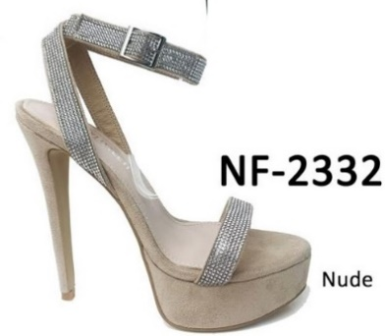 | NF-2332 | Pretty Little Thing | Nude PLT | 18 | 216 | Size 3 to 8
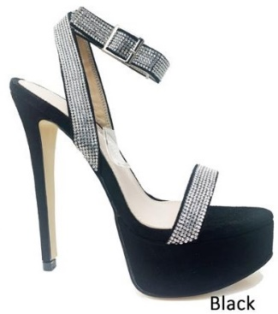 | NF-2332 | Pretty Little Thing | Black PLT | 14 | 168 | Size 3 to 8
 | NF-117 | Unbranded | Nude Patent/C ENVY | 42 | 504 | Size 3 to 8
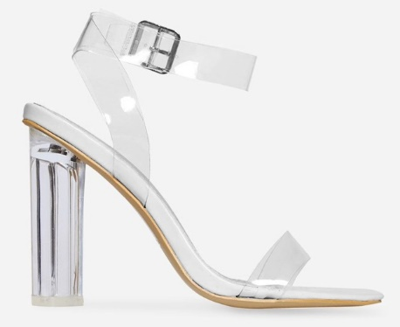 | NF-117 | Unbranded | White Patent/C ENVY | 15 | 180 | Size 3 to 8
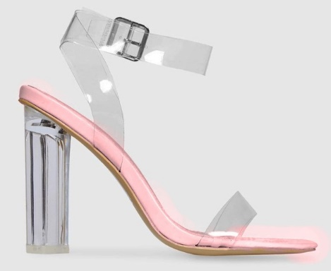 | NF-117 | Unbranded | Pink Patent/C ENVY | 75 | 900 | Size 3 to 8
 | NF-117 | Unbranded | Nude Patent/C ENVY | 17 | 204 | Block Sizes .3 4 5 6 7 8 17 34 51 51 34 17
 | NF-117 | Unbranded | White Patent Clear ENVY | 12 | 144 | Block Sizes .3 4 5 6 7 8 12 12 15 15 53 38
 | PLT-265 | Pretty Little Thing | Black Velvet/ Clear | 4 | 45 | Block Sizes .3 4 5 6 7 8 1 12 8 10 10 4
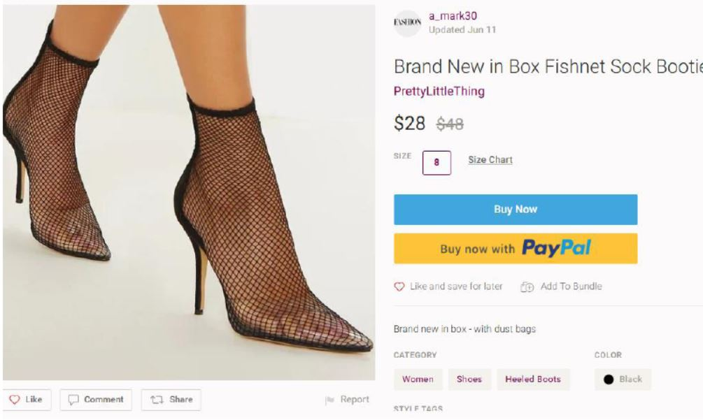
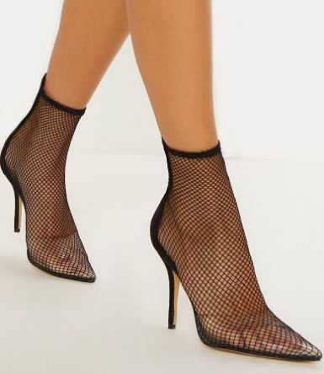 | PLT-216 | Pretty Little Thing | Black Fishnet | 14 | 168 | Block Sizes ., 3 4 5 6 7 8 19 24 42 42 25 12
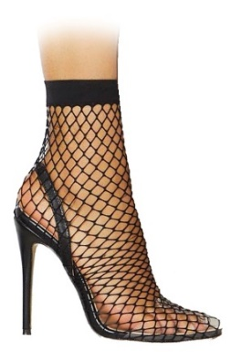 | KOKO | Unbranded | Black ENVY | 70 | 840 | Size 3 to 8
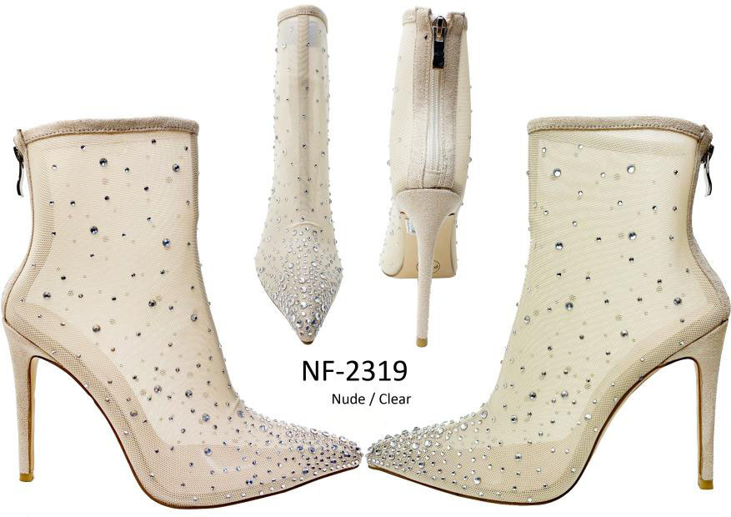 | NF-2319 | Pretty Little Thing | Nude PLT | 14 | 168 | Size 3 to 8
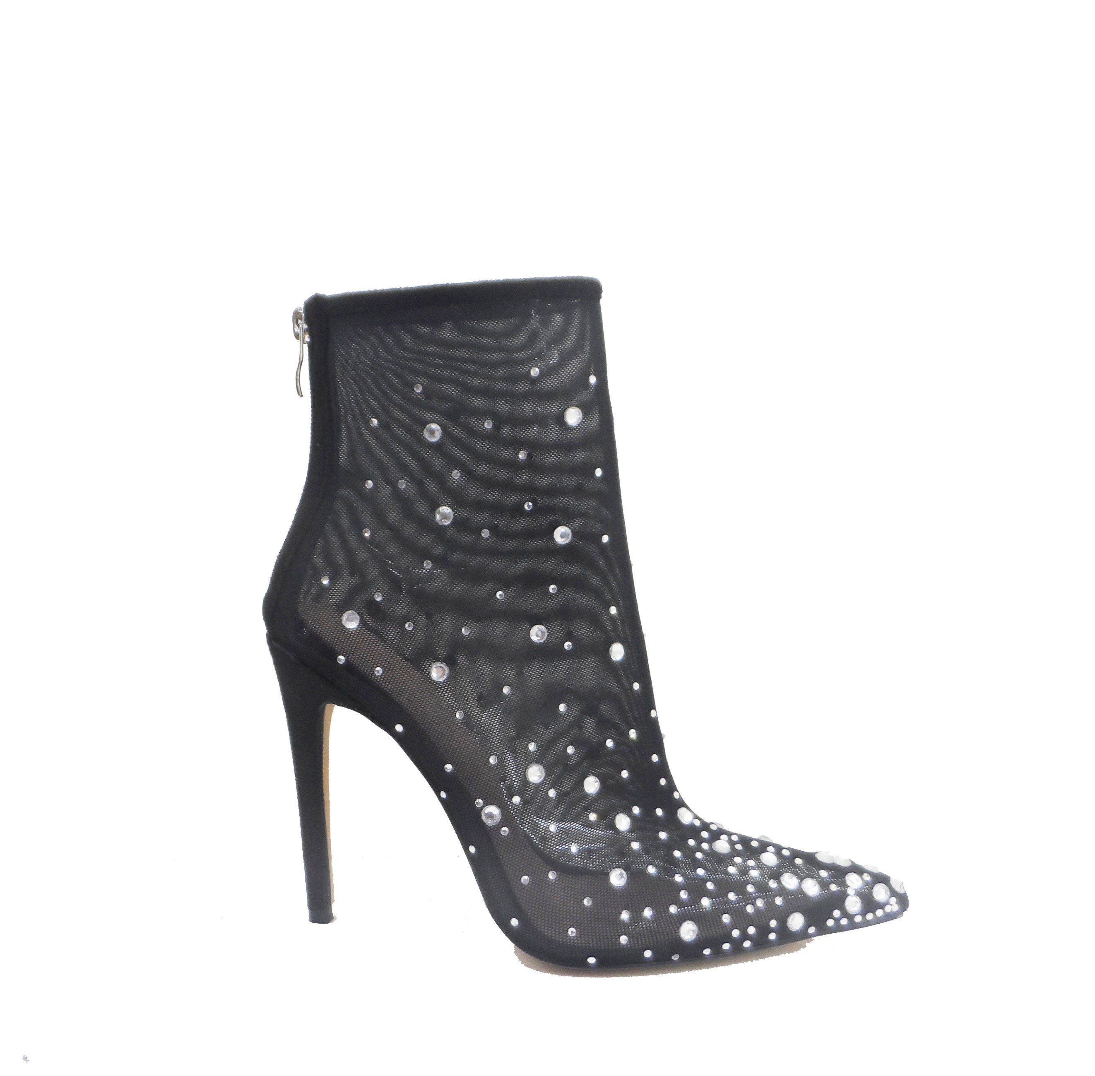 | NF-2319 | Pretty Little Thing | Black PLT | 2 | 17 | Size 3 Only
 |  |  |  |  | 3554

